Catering Order Form
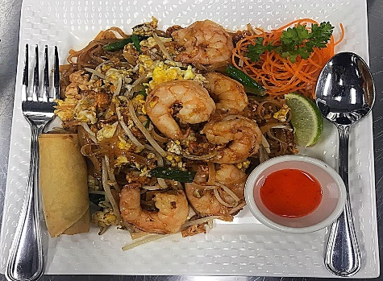
 | Catering Order Form
 | 750 Concourse Cir Suite102
 | Middle River, MD 21220
 | Tel: 443-317-8689
 | Email: thairainbow750@gmail.com
 | Website: www.thairainbow750.com
 | Your Name: |  | Invoice No :
 | Your Company Name: |  | Date :
 | Street Address: |  | Customer ID :
 | City, State, ZIP Code: B
 | Email:
 | Phone:
 | Please Put in your Order 3 days in advance.
Item # | Quantity | Description | Unit Price | Line Total
1
2
3
4
5
6
7
8
9
10
11
12
13
14
15
16
17
 |  |  | Subtotal
 | Sales Tax @ |  | 6.00%
 | TOTAL
Make all checks payable to Thai Rainbow Restaurant LLC
THANK YOU FOR YOUR BUSINESS!

